Indices

 | Iraq Stock Exchange
 | Bulletin No (25)
 | ISX Trading Indices of Monday 9/2/2026

 | Traded Volume and OTC |  | 442,296,389 |  | Traded Value and OTC |  | 598,198,077 |  | Traders | 889
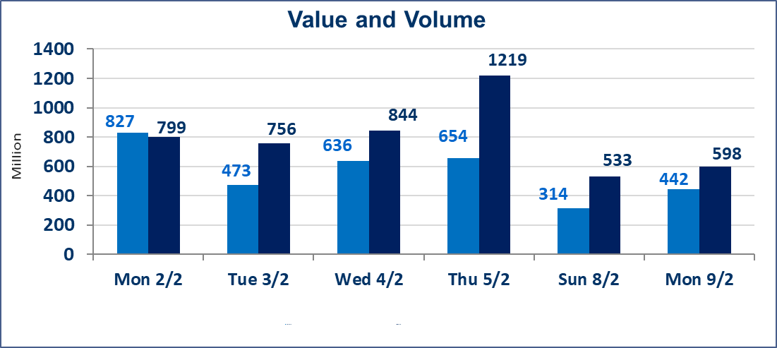
 | ISX Index 60 |  |  | 954.53 | ISX Index 15 |  |  | 1226.41
 | Previous ISX Index60 |  |  | 959.84 | Previous ISX Index15 |  |  | 1232.90
 | Change % |  |  | -0.55 | Change % |  |  | -0.53
 | Change |  |  | -5.31 | Change |  |  | -6.49

 | Listed Companies | 104 | OTC | 14 | Non Traded listed | 48 | OTC | 13
 | Traded Listed Companies | 44 | OTC | 1 | Higher Companies |  |  | 9
 | GAM Companies |  |  | 2 | Lower Companies |  |  | 18
 | Suspended Companies |  |  | 10
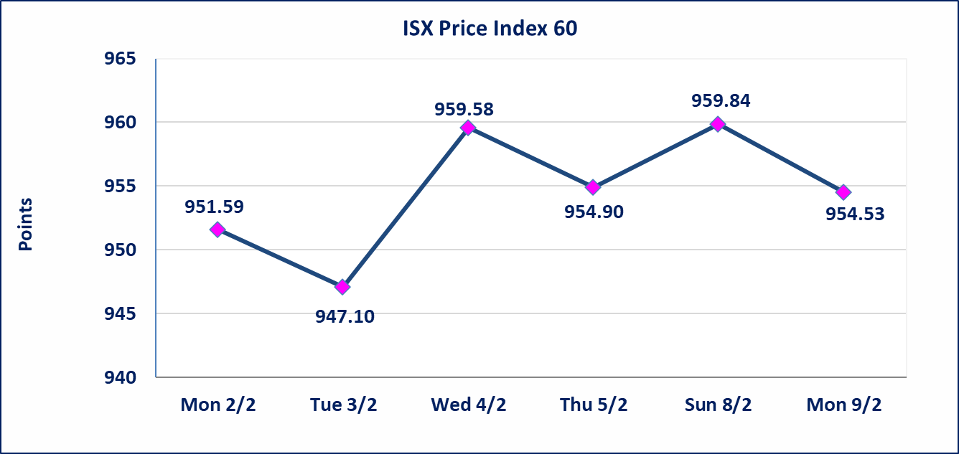
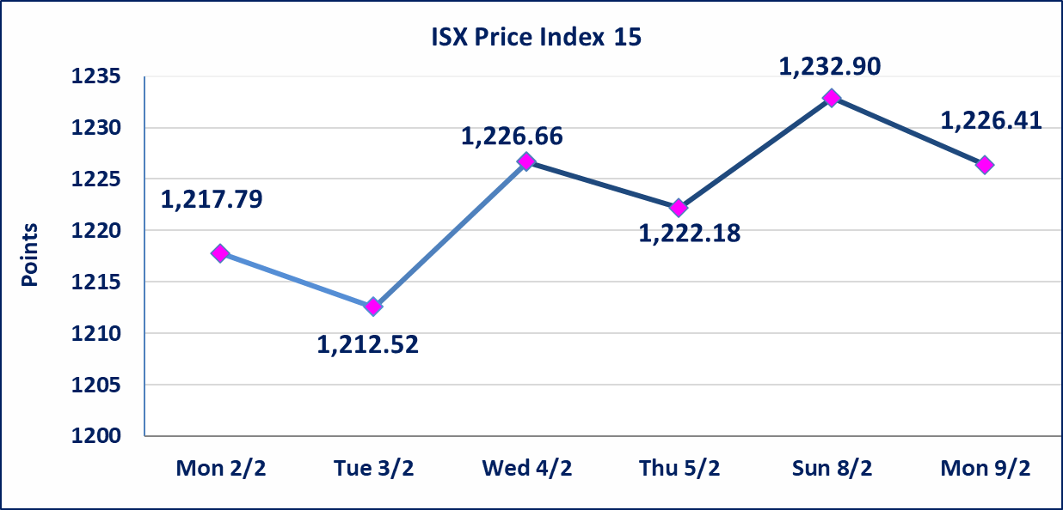

Al-Alwiya P.O . 3607 Mobile: 07711211522 - 07270094594 - 07834000034 E-mail: info-isx@isx-iq.net Web site:www.isx-iq.net

Top 5
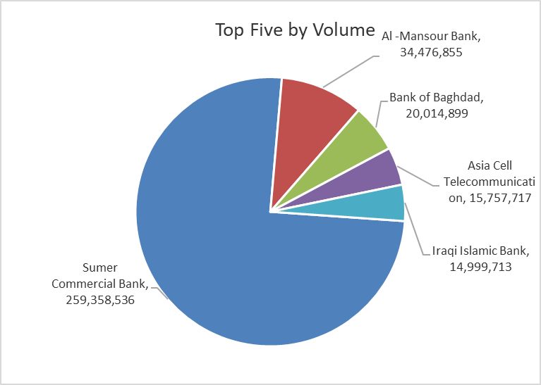
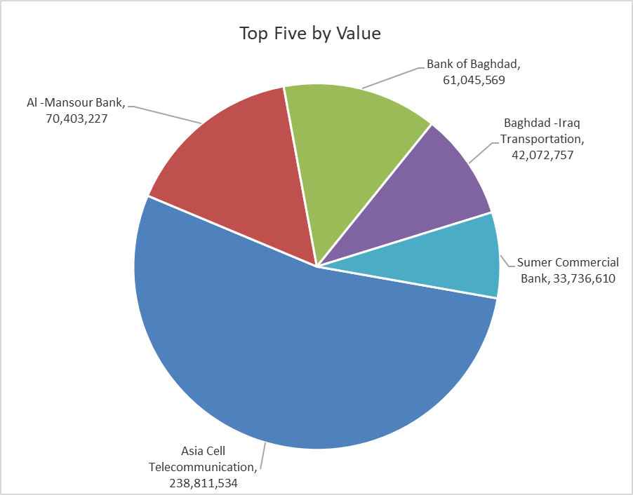

ISX top ganing and losing companies
Monday 9/2/2026
 | Gainers |  |  |  | Losers
 | Company Name | Closing Price | Change (%) | Traded Volume | Company Name | Closing Price | Change (%) | Traded Volume
 | Al-Hamraa for Insurance | 2.470 | 10.76 | 14,859 | Middle East Bank | 0.060 | -14.29 | 21,408
 | Baghdad -Iraq Transportation | 23.200 | 5.36 | 1,834,521 | Tourist Village of Mosul dam | 13.000 | -12.16 | 3,364
 | Al-Kindi of Veterinary Vaccines | 2.400 | 4.35 | 199,615 | Modern for Animal Production | 0.360 | -10.00 | 2,725,109
 | Al-Khatam Telecom | 3.250 | 3.17 | 39,480 | Al-Taif Islamic Bank | 0.690 | -8.00 | 80,863
 | Iraqi Carton Manufactories | 2.550 | 2.00 | 2,240,000 | Trans Iraq Bank Investment | 0.310 | -6.06 | 500,000
 | The most active companies in term of traded volume and value

 | Traded Volume |  |  |  | Traded Value
 | Company Name | Closing Price | Change (%) | Traded Volume | Company Name | Closing Price | Change (%) | Traded Value
 | Sumer Commercial Bank | 0.130 | 0.00 | 259,358,536 | Asia Cell Telecommunication | 14.950 | -1.32 | 238,811,534
 | Al -Mansour Bank | 2.050 | 0.00 | 34,476,855 | Al -Mansour Bank | 2.050 | 0.00 | 70,403,227
 | Bank of Baghdad | 3.070 | -0.65 | 20,014,899 | Bank of Baghdad | 3.070 | -0.65 | 61,045,569
 | Asia Cell Telecommunication | 14.950 | -1.32 | 15,757,717 | Baghdad -Iraq Transportation | 23.200 | 5.36 | 42,072,757
 | Iraqi Islamic Bank | 1.000 | -1.96 | 14,999,713 | Sumer Commercial Bank | 0.130 | 0.00 | 33,736,610

Non Iraqis

Iraq Stock Exchange
Non Iraqis' Bulletin Monday Feb 9 2026
Regular Market

Non Iraqi Trading of Regular Market (Buy)
Company Names | Code | No.of trades | Traded Shares | Trading Volume
Banks Sector
Al-Mansour Bank | BMNS | 1 | 245,098 | 500,000
Total Bank sector |  | 1 | 245,098 | 500,000
Telecommunication Sector
Asia cell | TASC | 1 | 40,000 | 623,600
Total Telecommunication sector |  | 1 | 40,000 | 623,600
Grand Total |  | 2 | 285,098 | 1,123,600

Non Iraqi Trading of Undisclosed Platform (Sell)
Company Names | Code | No.of trades | Traded Shares | Trading Volume
Industry Sector
Al -HiLal Industries | IHLI | 1 | 5,000 | 8,450
Total Industry sector |  | 1 | 5,000 | 8,450
Grand Total |  | 1 | 5,000 | 8,450

Not Trading Bonds

Iraq Stock Exchange
Monday 9/2/2026
Not Trading Bonds Bulletin
Bond type | Publish type | Code | last trading price | immortilize date
Banaa Bonds /Million ID | Second | CB20 | 964,981 | 19/12/2025
Eamar Bonds /Million ID | First | CB30 | 1,001,095 | ــــــــــــــــ
Eamar Bonds /Million ID | Second | CB40 | ــــــــــــــــ | ــــــــــــــــ
Eamar Bonds /500 Thousand ID | Third | CB45 | ــــــــــــــــ | ــــــــــــــــ
Eamar Bonds /Million ID | Third | CB50 | ــــــــــــــــ | ــــــــــــــــ
Injaz Bonds /500 Thousand ID | First | CB55 | ــــــــــــــــ | ــــــــــــــــ
Injaz Bonds /Million ID | First | CB60 | ــــــــــــــــ | ــــــــــــــــ
Injaz Bonds /500 Thousand ID | Second | CB65 | 515,047 | ــــــــــــــــ
Injaz Bonds /Million ID | Second | CB70 | 1,026,082 | ــــــــــــــــ
Injaz Bonds /500 Thousand ID | Third | CB75 | ــــــــــــــــ | ــــــــــــــــ
Injaz Bonds /Million ID | Third | CB80 | 978,182 | ــــــــــــــــ
National Bonds/Million ID | First | CB90 | ــــــــــــــــ | ــــــــــــــــ
National Bonds/500 Thousand ID | Second | CB95 | ــــــــــــــــ | ــــــــــــــــ
National Bonds/Million ID | Second | CB100 | ــــــــــــــــ | ــــــــــــــــ

